PV Generation
Summit County
PV Array Input Worksheet |  |  | Legend:
 |  | Complete and submit this page for projects PV renewable energy systems.
 |  |  |  | User input cell.
Project Name: |  |  |  | Output cell, not adjustable.

Use this tab to determine output of PV array on the site.
There are options for up to 4 unique arrays
For each array provide the following:
1. Orientation of the array in relation to south, east, etc. (see graphic below for explanation)
2. Pitch of the array from horizontal. If a free standing or racked array is used, input equivalent roof pitch.
3. Size of the array in kW.
4. Provide if the array and roof are expected to shed snow.

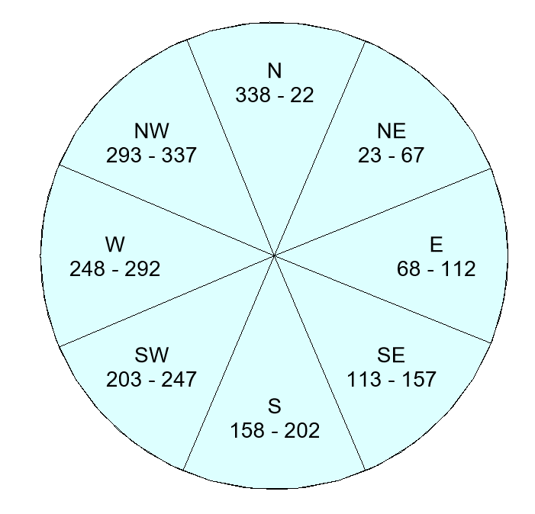
 |  |  | Example Orientation angles:
Array 1
Orientation of Array | S
Pitch of Array | 0 | /12
Size of array | 0 | kW
Does array shed snow |  | Choose YES if pitch is 7/12 or steeper and roof DOES NOT have snow fences or a roof surface that prohibits snow shed
Annual Generation | 0 | kWh/yr

Array 2
Orientation of Array | S
Pitch of Array | 0 | /12
Size of array | 0 | kW
Does array shed snow |  | Choose YES if pitch is 7/12 or steeper and roof DOES NOT have snow fences or a roof surface that prohibits snow shed
Annual Generation | 0 | kWh/yr

Array 3
Orientation of Array | S
Pitch of Array | 0 | /12
Size of array | 0 | kW
Does array shed snow |  | Choose YES if pitch is 7/12 or steeper and roof DOES NOT have snow fences or a roof surface that prohibits snow shed
Annual Generation | 0 | kWh/yr

Array 4
Orientation of Array | S
Pitch of Array | 0 | /12
Size of array | 0 | kW
Does array shed snow |  | Choose YES if pitch is 7/12 or steeper and roof DOES NOT have snow fences or a roof surface that prohibits snow shed
Annual Generation | 0 | kWh/yr

Total Array Size Intalled | 0.00 | kW
Equivalent Array Size | 0.00 | kW

 | Prepared by:
 | email
 | phone

